Dr.Martens
 |  |  |  |  |  | 36 | 37 | 38 | 39 | 40 | 41 | 42 | 43 | 44 | 45
Picture | Model | Style | Color | Retail | Buying | 3 | 4 | 5 | 6 | 6.5 | 7 | 8 | 9 | 10 | 11 | Total
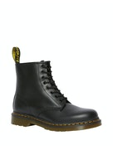 | 1460 | 11822006 | Black Smooth | 200.00 | 94.50 | 24 | 48 | 80 | 80 | 64 | 40 | 16 | 8 | 8 | 8 | 376
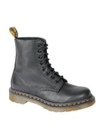 | 1460 Pascal | 13512006 | Black Virginia | 200.00 | 94.50 | 24 | 48 | 80 | 80 | 64 | 48 | 16 |  |  |  | 360
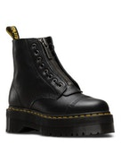 | Sinclair | 22564001 | Black Milled Nappa | 230.00 | 109.00 | 8 | 16 | 32 | 32 | 32 | 16 | 8 |  |  |  | 144

 |  |  |  |  |  |  |  |  |  |  |  |  |  |  |  | 880

